Exam template
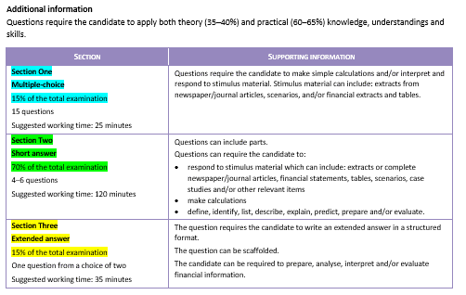
Exam calculator |  |  |  |  | Calculator instructions:
Section | Percentage of exam | Marks available | Student raw mark | Student section % | 1 Type in the available marks for each section of your exam
Section One: Multiple-choice | 15% | 15 | 12 | 12% | 2 Type in the student raw mark for Section One: Multiple-choice section
Section Two: Short answer | 70% | 91 | 48 | 37% | 3 Type in the student raw mark for Section Two: Short answer
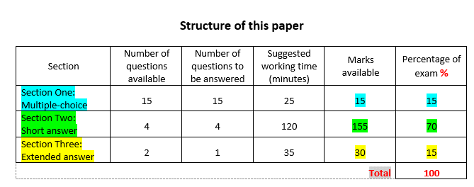
Section Three: Extened answer | 15% | 30 | 0 | 0% | 4 Type in the student raw mark for Section Three: Extended answer
 | Totals: | 136 | 60 | 49% | 5 The calculator will weight the sections and calculate the total marks out of 100%

Schedules
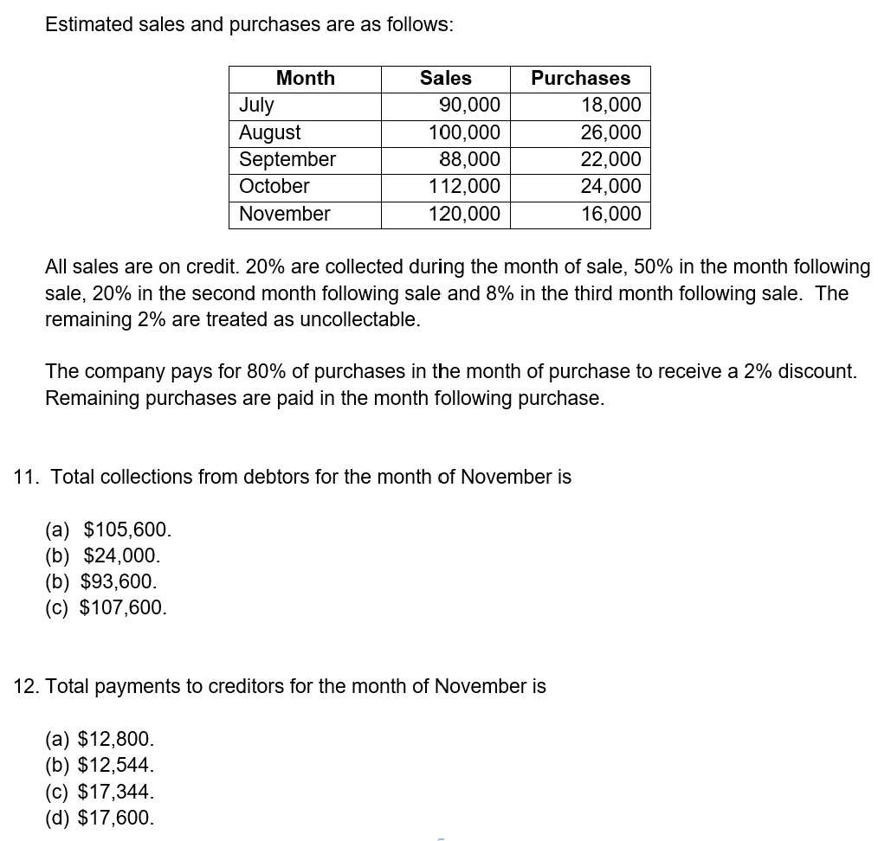
schedules from 2023 BEWA semester 1 Q11-12 |  |  |  |  |  | New modified question
 |  |  |  |  |  | Months | Sales | Purchases
 |  |  |  |  |  | Feb | 91,800 | 18,360
 |  |  |  |  |  | Mar | 102,000 | 26,520
 |  |  |  |  |  | Apr | 89,760 | 22,440
 |  |  |  |  |  | May | 114,240 | 24,480
 |  |  |  |  |  | Jun | 122,400 | 16,320

 |  |  |  |  |  | Additional information:
 |  |  |  |  |  | All sales are on credit and collected:
 |  |  |  |  |  | •30% during month of sale
 |  |  |  |  |  | •40% following month after sale
 |  |  |  |  |  | •20% second month after sale
 |  |  |  |  |  | •7% third month after sale
 |  |  |  |  |  | •3% uncollectable
 |  |  |  |  |  | Purchases paid:
 |  |  |  |  |  | •Within the same month 70%
 |  |  |  |  |  | •Month after purchase 20%
Month | Months | Sales | x 2% | Purchases | x 2% | •Remaining amount paid second month after purchase
July | Feb | 90,000 | 91,800 | 18,000 | 18,360
August | Mar | 100,000 | 102,000 | 26,000 | 26,520
September | Apr | 88,000 | 89,760 | 22,000 | 22,440
October | May | 112,000 | 114,240 | 24,000 | 24,480
November | Jun | 120,000 | 122,400 | 16,000 | 16,320

schedule SOLN
Budget solutuions | New solution
 | Accounts payable schedule (9 marks)
Original questions from 2023 BEWA semester 1 exam | Months | Purchases |  | Apr |  | May |  | Jun
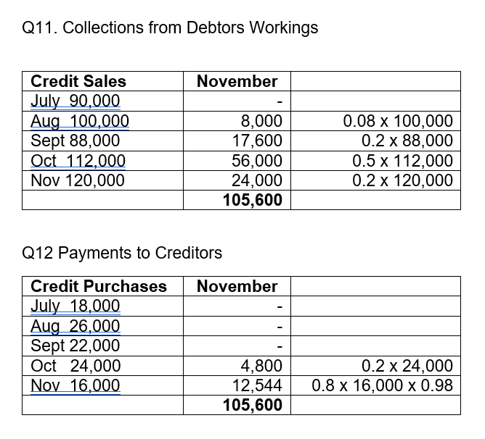
 | Feb | 18,360 | x 10% (1) | 1,836
 | Mar | 26,520 | x 20% (1) | 5,304 | x 10% (1) | 2,652
 | Apr | 22,440 | x 70% (1) | 15,708 | x 20% (1) | 4,488 | x 10% (1) | 2,244
 | May | 24,480 |  |  | x 70% (1) | 17,136 | x 20% (1) | 4,896
 | Jun | 16,320 |  |  |  |  | x 70% (1) | 11,424
 |  | Total |  | $22,848 |  | $24,276 |  | $18,564

 | Accounts receivable schedule (6 marks)
 | Months | Total sales | 1 mark | Credit |  | June | marks
 | Feb | 91,800 | x 75% | 68,850 | x 7% | 4819.5 | 1
 | Mar | 102,000 | x 75% | 76,500 | x 20% | 15300 | 1
 | Apr | 89,760 | x 75% | 67,320 | x 40% | 26928 | 1
 | May | 114,240 | x 75% | 85,680 | x 30% | 25704 | 1
 | Jun | 122,400 | x 25% |  | cash | 30,600 | 1
 |  | Total |  |  |  | $103,352

NPV
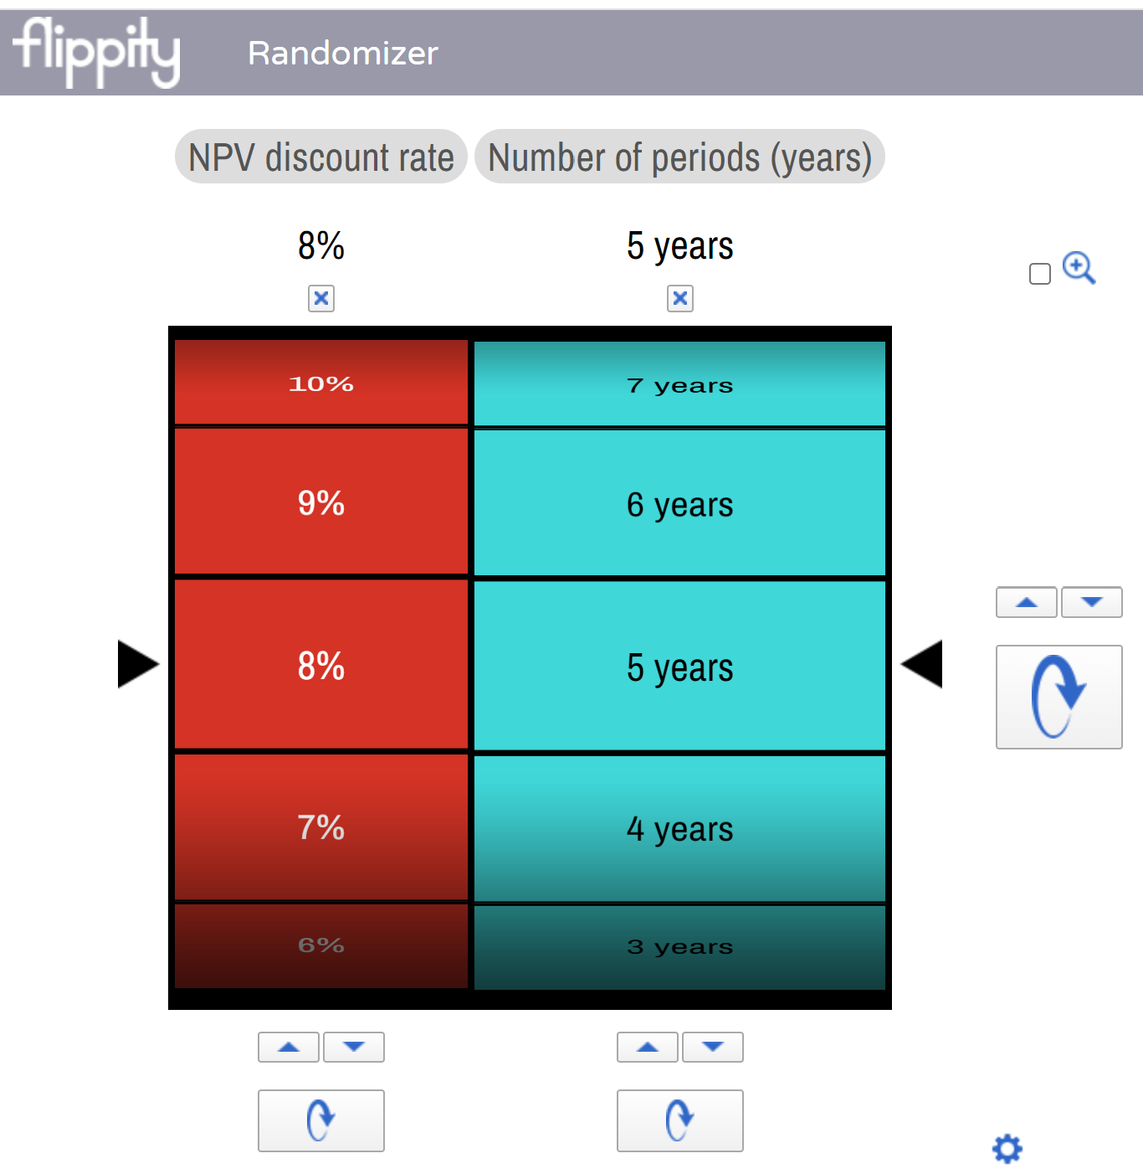
Old question |  |  |  | New figures 2% |  | New question
 | Timing | Project X | Project Z | X figures | Z figures |  | Project X | Project Z
Initial cost | Year 0 | $600,000 | $550,000 | $612,000 | $561,000 | Initial cost (Year 0) | $612,000 | $561,000
 | Year 1 |  | $50,000 | $0 | $51,000 | Year 1 | $0 | $51,000
Estimated residual value | Year 5 | $40,000 | $0 | $40,800 | $0 | Estimated residual value Year 5 | $40,800 | $0
Estimated annual cash inflows | Year 1 | $200,000 | $210,000 | $204,000 | $214,200 | Estimated annual cash inflows:
 | Year 2 | $200,000 | $210,000 | $204,000 | $214,200 | Year 1 | $204,000 | $214,200
 | Year 3 | $200,000 | $210,000 | $204,000 | $214,200 | Year 2 | $204,000 | $214,200
 | Year 4 | $190,000 | $210,000 | $193,800 | $214,200 | Year 3 | $204,000 | $214,200
 | Year 5 | $190,000 | $210,000 | $193,800 | $214,200 | Year 4 | $193,800 | $214,200
Estimated annual cash outflows |  |  |  | $0 | $0 | Year 5 | $193,800 | $214,200
Insurance |  | $32,000 | $27,500 | $32,640 | $28,050 | Estimated annual cash outflows | $0 | $0
Repairs and maintenance |  | $14,500 | $35,000 | $14,790 | $35,700 | Insurance | $32,640 | $28,050 | https://www.flippity.net/ra.php?k=15WqWzMRSJ8M3D3eAJ4CAwEGwvK7aPaanHYTxruI474U
Rent |  | $21,000 | $11,000 | $21,420 | $11,220 | Maintenance | $14,790 | $35,700
Electricity |  | $13,000 | $14,500 | $13,260 | $14,790 | Rent | $21,420 | $11,220
Cost of capital |  | 8% | 8% |  |  | Electricity | $13,260 | $14,790
 |  |  |  |  |  | Discount rate | 8% | 8%

